Table 1
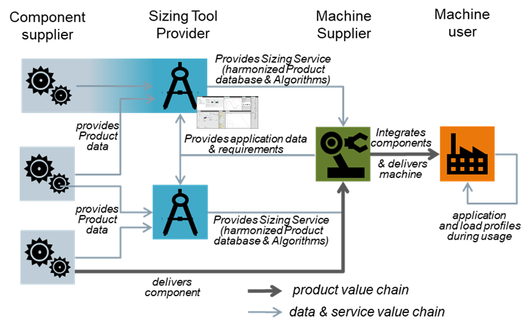
IDTA 02021-1-0 Sizing of Power Drive Trains January 2024
S P E C I F I C A T I O N
Submodel Template of the Asset Administration Shell

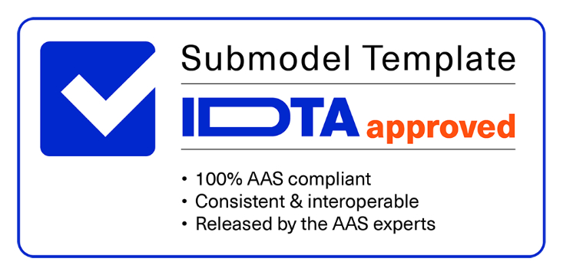

Imprint
Publisher Industrial Digital Twin Association Lyoner Strasse 18 60528 Frankfurt am Main Germany https://www.industrialdigitaltwin.org/ Version history
Date | Version | Comment
2024-01-19 | 1.0 | Release of the official Submodel template published by IDTA.
Contents
1 General 6 1.1 About this document 6 1.2 Scope of the Submodel 6 1.3 Relevant standards for the Submodel template 6 1.3.1 AutomationML integration 7 1.4 Use cases, requirements and design decisions 7 2 Sizing of Power Drive Trains 9 2.1 Approach 9 2.2 Explanations and definitions 9 2.2.1 Sizing Project Information 11 2.2.2 Application Requirements and Motion patterns 11 2.2.3 Transformation mechanisms 12 2.2.4 Sizing Results 14 2.3 Submodel Specification PowerDriveTrainSizing 15 2.3.1 Submodel Elements of SizingProjectInformation
Figures
Figure 1 Leading Picture for Use Cases 7 Figure 2 Scenario of a sizing process with AAS 8 Figure 3 UML Diagram of SMT PowerDriveTrainSizing 10 Figure 4 UML Diagram of SizingProjectInformation 11 Figure 5 UML Diagram of ApplicationRequirements 11 Figure 6 UML Diagram of TransformationMechanism 13 Figure 7 UML Diagram of SizingResult 14
Tables
Table 1: List of Use Cases 8 Table 2: Linear and Rotative Motion Parameters 12 Table 3: Submodel Specification PowerDriveTrainSizing 15 Table 4: SizingProjectInformation 17 Table 5: Submodel Elements of ApplicationRequirements 19 Table 6: Submodel Elements of MotionPattern 21 Table 7: Submodel Elements of MotionPatternSections 22 Table 8: Submodel Elements of RotativeSection 23 Table 9: Submodel Elements of MetadataRotativeMotionFile 25 Table 10: Submodel Elements of LinearSection 27 Table 11: Submodel Elements of MetadataLinearMotionFile 30 Table 12: Submodel Elements of Environmental 32 Table 13: Submodel Elements of OverallSystemRequirements 34 Table 14: Submodel Elements of UsageProfile 36 Table 15: Submodel Elements of

1 General
1.1 About this document This document is a part of a specification series. Each part specifies the contents of a Submodel template for the Asset Administration Shell (AAS). The AAS is described in [1], [2], [3] and [6]. First exemplary Submodel contents were described in [4], while the actual format of this document was derived by the "Administration Shell in Practice" [5]. The format aims to be very concise, giving only minimal necessary information for applying a Submodel template, while leaving deeper descriptions and specification of concepts, structures and mapping to the respective documents [1] to [6]. The target group of the specification are developers and editors of technical documentation and manufacturer information, which are describing assets in smart manufacturing by means of the Asset Administration Shell (AAS) and therefore need to create a Submodel instance with a hierarchy of SubmodelElements. This document especially details on the question, which SubmodelElements with which semantic identification shall be used for this purpose.
1.2 Scope of the Submodel The Submodel template aims at interoperable provision of information, especially information for sizing electrical drive systems in industrial automation. For this purpose, the essential components drive, motor, gearbox, transformation as well as their additional components are described and the parameters necessary for the calculation are considered. Mechanical and electrical aspects are considered in the drive design. The Submodel specification addresses machine and plant manufacturers, manufacturers of drive compontents and developers of sizing tools that exchange information for the use case of drive design. The objective of the drive design is to select suitable components based on movement patterns and system requirements.
1.3 Relevant standards for the Submodel template - AutomationML, “Application Recommendation – Drive Configurations (M-CAD aspects)”1 - Work In Progress: v2_0_0 “Application Recommendation – Drive Configurations (M-CAD aspects)” - VDI 2143-1 „Bewegungsgesetze für Kurvengetriebe; Theoretische Grundlagen“ - ZVEI, Discussion Paper – Electrical Drive Design with the Digital Twin2
1 https://www.automationml.org/wp-content/uploads/2021/06/AR-Drive-Configurations-v1_0_0.zip 2 https://www.zvei.org/fileadmin/user_upload/Presse_und_Medien/Publikationen/2022/Mai/ Diskussionspapier_Digital_Engineering/Diskussionspapier_Digital_Engineering_final.pdf

1.3.1 AutomationML integration The data exchange format AutomationML which is standardising in the IEC 62714 standard is a neutral, free, and XML-based data format. It has been developed in order to support the data exchange between engineering tools in a heterogeneous engineering tool landscape. As AutomationML is the leading format for data exchange in the engineering phase and AAS to be seen as the medium to transport data across different phases of the lifecycle, the existing AutomationML model shall be used and integrated into the AAS. With this only data required in other phases than engineering shall be “published” in the AAS. All other data shall remain in the AutomationML file. There are options to integrate the AutomationML model in the AAS, which are not yet published. These options will be part of specification in further versions.
1.4 Use cases, requirements and design decisions The Submodel template specification addresses machine and plant manufacturers, manufacturers of drive compontents and developer of sizing tools that exchange information for the use case of drive design. The objective of the drive design is to select suitable components based on movement patterns and system requirements. The Submodel itself can be assigned to a design project, a drive axis or even individual components of a drive system. The Leading Picture (Figure 1) defines the scope within which the use cases of the Submodel can be classified.
Figure 1 Leading Picture for Use Cases Figure 2 and Table 1 shows the target picture of how, with the help of digital twins, the information, e.g. in the development of a machine, is created step by step in the value network around the drive sizing and which other AAS Submodels should play a role.

Table 2
Figure 2 Scenario of a sizing process with AAS Due to the large number of use cases an their scope, the use cases were prioritized according Table 1. Table 1: List of Use Cases
 | 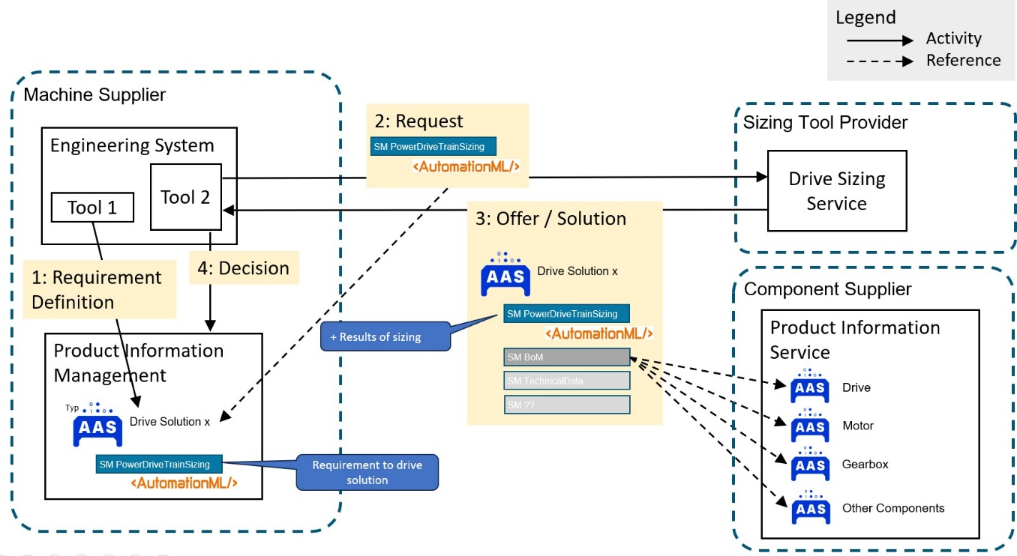
No. | Title | Description | Spec Version
UC1 | Sharing of Application requirements along the toolchain | Customers can define system requirements, operating conditions, and planned motion sequences, which allows sizing tools to calculate and filter components. | 1.0
UC2 | Retrieving the sizing file/project" in any life cycle phase of the asset | Embedding of the sizing file / project: Contact information, the sizing file and versions of the sizing tool are referenced in order to be able to retrieve the design of an asset in the engineering and later use phases. | 1.0
UC3 | Sharing of Transformation mechanism descriptions in the life cycle phase of the asset | Applications and transformation mechanisms are described in order to be able to document the sizing relevant parameters. | 1.0
UC4 | Sharing Sizing results in the life cycle phase of the asset | Sizing results are described in a uniform manner so that they can be reused in engineering and in the further use of assets. | 1.0
UC5 | Exchange Bill of material for further ordering processes and toolchain | The parts list of all drive components is created and linked to their respective sizing results | 1.0
UC6 | Component data can be shared | Sizing tools can retrieve standardized component data that is used to calculate. Dataflow fom component supplier to sizing tool. | Later versions
UC7 | Comparison of different Variants | Collection of variants in environmental conditions, axis configurations, … | Later Versions
UC8 | Modeling of multi-axis systems | Handover and integration of the main properties from the modeling of multi-axis systems possible in AutomationML. | Later Versions
2 Sizing of Power Drive Trains
2.1 Approach The Submodel template specification was created by the ZVEI e. V. working group "Industrie 4.0 Drive Technology", AutomationML e.V and the Industrial Digital Twin Association e.V. For this Submodel template specification, the sizing tools of different providers and their data formats were compared. From this, cross- vendor characteristics were derived. In addition, the existing Automation ML and AAS Submodels were examined and evaluated for use in the context of data exchange in the sizing process.
2.2 Explanations and definitions The PowerDriveTrainSizing Submodel consists of four structuring sections that are used within the sizing process. The Submodel itself can be assigned to a sizing project, a drive axis, or even individual components of a drive system. In future versions of the specification, further sections are planned in which more in-depth connections and relationships can be modeled. Major components that are described: - Sizing Project: Identifying characteristics of the sizing project with reference to the sizing project file. - Application Requirements: o Motion and load profile: The specified motion sequence and the calculated motion, taking into account the workload and customer specifications. o Environmental: Environmental conditions in which the drive train is to be operated. o System Requirements: The features required by the customer in the selection of individual components and in the consideration of the overall system. o UsageProfile: Usage profiles to make the TCO life cycle assessment - Transformation mechanisms: Mechanisms for transmitting the force in the drive task, such as belt or rack and pinion applications. - SizingResult: o Bill of Material: Simple list for ordering the individual components. o Utilization Rates: Technical data of the drive components and their utilization rates in relation to the requirements in the motion profile. o Messages and Text statements: Interpretative notes and general texts
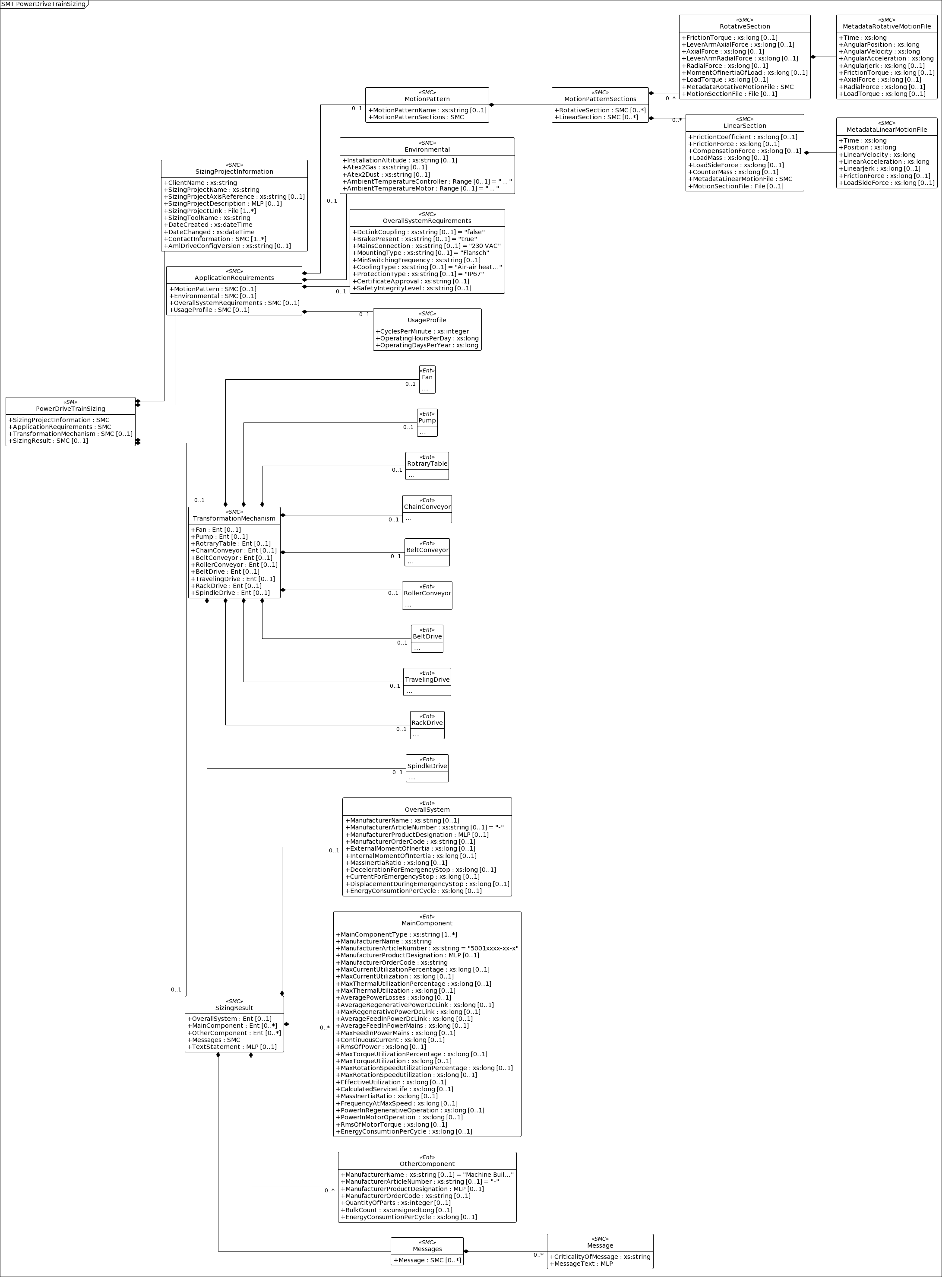
Figure 3 UML Diagram of SMT PowerDriveTrainSizing

2.2.1 Sizing Project Information For Use Case 1, the sizing project file is to be integrated including the metadata that must be attached to a sizing documentation. This includes the project name, contact details and the name of the sizing tool and the versions used. The sizing project file with the reference to the sizing tool and the creation and modification timestamps can also be included in the asset administration shell. Notice - the sizing project may be in a proprietary data format. Preferred standard for the engineering phase is the Automation ML File Format. Notice - Further information, such as the contact details of the persons involved in the design or approval workflows are feasible.
Figure 4 UML Diagram of SizingProjectInformation
2.2.2 Application Requirements and Motion patterns The application requirements section contains the customer's specifications for the drive task. Customer requirements are divided into the sections motion pattern, environmental conditions, overall system requirements and operation patterns.
Figure 5 UML Diagram of ApplicationRequirements
The basis for selecting the optimal drive system is the motion and load patterns that needs to be met. The motion pattern consists of individual motion sections that specify the travel distance, the travel time and the forces. Motion patterns are differentiated by linear and rotative motion.
 | 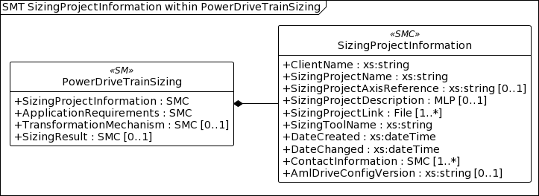
 | 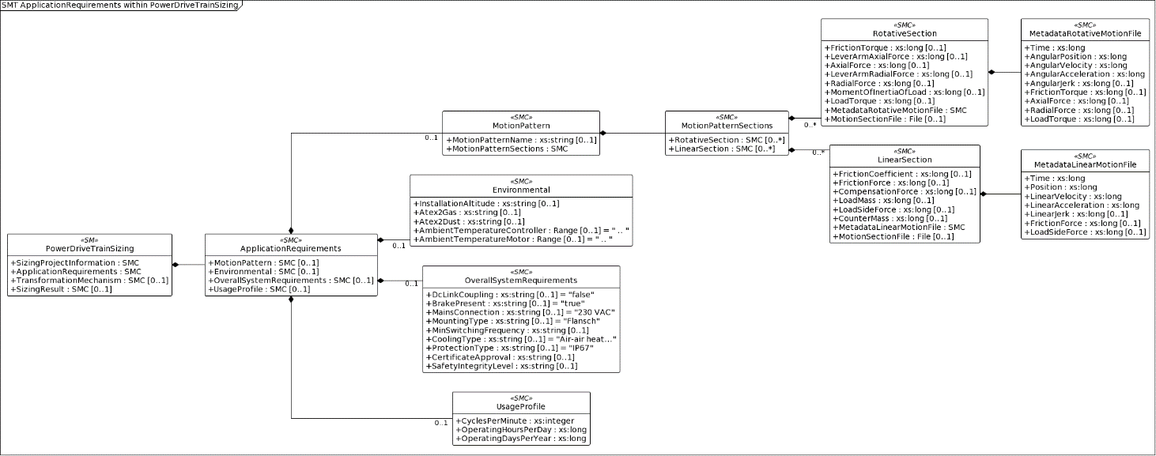
Table 2: Linear and Rotative Motion Parameters

Table 3
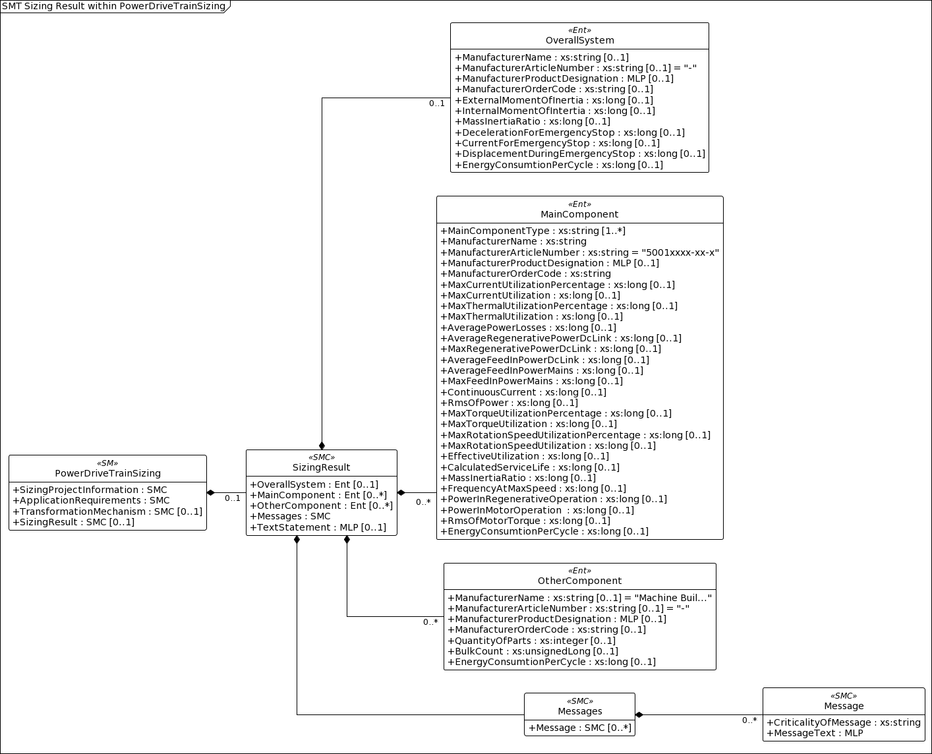
Linear Motion (Translation) | Rotative Motion (Rotation)
Time [s] | Time [s]
Position [m] | AngularPosition [rad]
LinearVelocity [m/s] | AngularVelocity [rad/s]
LinearAcceleration [m/s²] | AngularAcceleration [rad/s²]
LinearJerk [m/𝑠³] | AngularJerk [rad/𝑠³]
LoadSideForce [N] (can be static or variable) | LeverArmRadialForce [m] (static)
LoadMass [kg] (can be static or variable) | MomentOfInertiaOfLoad [kg m2] (static)
CompensationForce [N] (can be static or variable) | AxialForce [N] (can be static or variable)
FrictionCoefficient [unitless] (static) | RadialForce [N] (can be static or variable)
FrictionForce [N] (can be static or variable) | Friction Torque [N] (can be static or variable)
CounterMass [kg] (static) | LoadTorque [N] (can be static or variable)
A motion pattern consists of one or more sections within which motion sequences can be defined and passed as time series. To be compatible with existing systems, the motion profile is to be imported as CSV. The comma-separated column headings and order are based on the characteristics and units specified in the MetadataRecord. Line 1 is therefore skipped during import. Definitions for the CSV files: - Line 1 as heading consisting of "idShort + [Unit]", from line 2 the values start - As separator between the columns ";" - Float numbers - Decimal separator "." The section of the environmental conditions contains all requirements for the drive system, which are based on the operating conditions. In addition to the properties defined in this specification, further properties can be added by the User. The overall system requirements refer to the characteristics of the drive system, in particular its interfaces to the power supply, mechanical integration or cooling. In addition to the properties defined in this specification, further properties can be added by the User. Notice - The current specification assumes a single axis. for multiple axes, the system requirements, if different, would also need to be described multiple times.
2.2.3 Transformation mechanisms A transformation mechanism (application) is used, for example, to generate linear output motions through rotational drive motions. For the optimum sizing of the drive system, data of the application must be determined. The working group compared some common mechanisms from different sizing tools. More
mechanisms will follow. The descriptive characteristics also represent the common denominator for a basic interpretation. Vendor specific extensions through additional properties are given. All applications are listed in the submodel template - note that only one application mechanism can be selected in the sizing project instance.
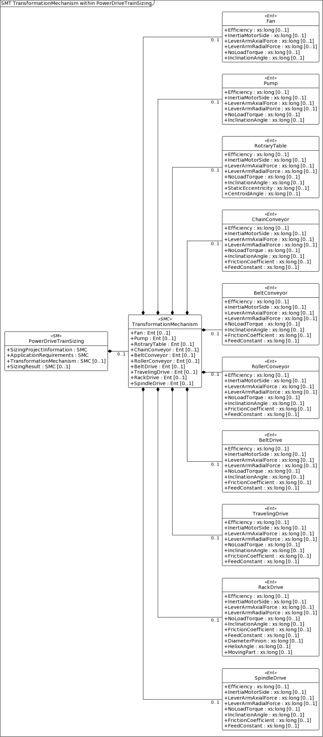
Figure 6 UML Diagram of TransformationMechanism

2.2.4 Sizing Results The sizing results section contains the result data related to the overall system and the individual components. In particular, the specification shows the sizing results of the overall system and the relevant individual components (such as drive, motor, gearbox). Further components, such as add-on parts and accessories, can be inserted in the "SizingResultOther" section.
Figure 7 UML Diagram of SizingResult
Notice - The AutomationML file for the sizing project contains a complete list of relationships. In the AAS Submodel, only the mechanical attachment is to be represented.

